Arkusz1
1 | Standardowe dane testowe | amount | amount RT | arrivalBound | deadlineBound | driveSize | deadlineOrigin
 |  | 1000 | 300 | 100000 | 1000 | 10000 | 0

2 | Dłuższe deadliny | amount | amount RT | arrivalBound | deadlineBound | driveSize
 |  | 1000 | 300 | 100000 | 10000 | 10000 | 0

Ad 1) |  |  |  |  | Ad 2)
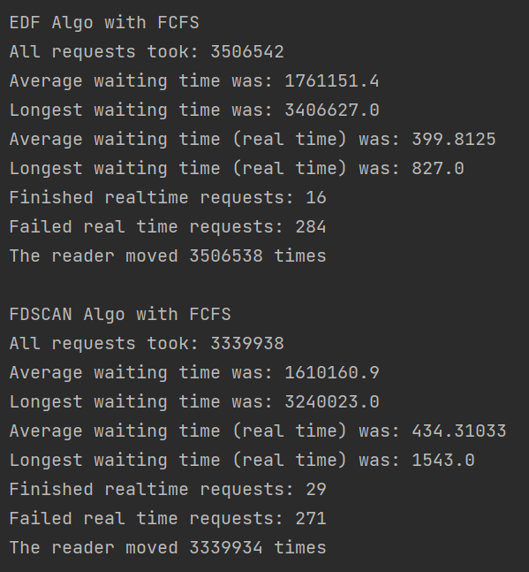
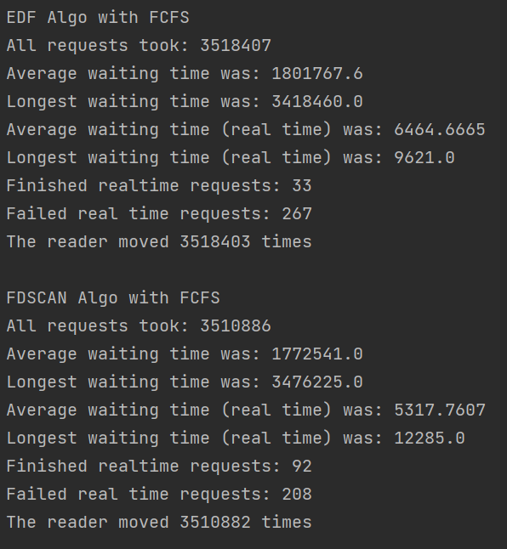

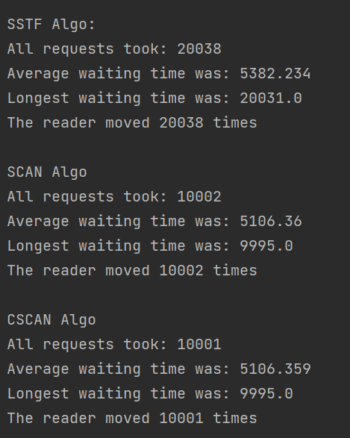
 |  |  |  |  |  |  |  | Ad 3)
3 | Korzystne dla CSCANA | amount | amount RT | arrivalBound | deadlineBound | driveSize
 |  | 1000 | 300 | 10 | 1000 | 10000

